Enhanced Coverage Pkgs
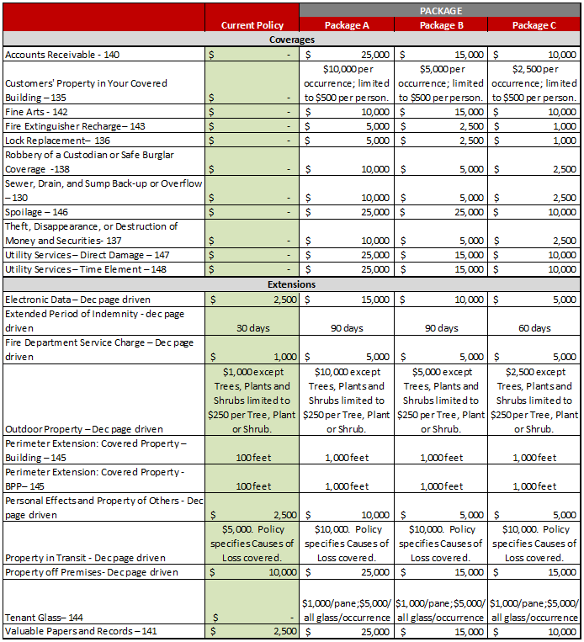
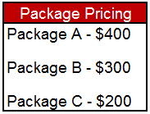

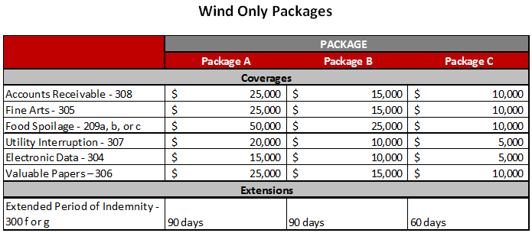

Extensions of Coverage | Form # | Definition and Rating Excess of Base Form | Base Form | Coverage Deductible
Customers Property in Your Covered Building | SCOL 135 | · Personal property of your customers and guests while in a Covered Building. | Not covered | No deductible for this coverage.
 | NPNA n/a
 | DICNA n/a
Electronic Data Hardware & Software Non – Proprietary | SCOL part of base form | · Covers information, facts, or computer software stored on various devices (tapes, CDs, etc.). | $2,500 | No separate deductible. Governed by peril.
 | NPNA 303/304 | · Does not provide coverage for computer and related hardware as this is covered as business personal property.
 | DICNA 304
Equipment Breakdown | SCOL 150 | · Physical loss or damage, originating within boilers, fired or unfired pressure vessels, vacuum vessels and pressure piping, all normally subject to vacuum or internal pressure other than static pressure of contents. | Not covered | Separate deductible of $1,000 per occurrence. Other options available.
 | NPNA n/a | · Does not cover wear and tear, deterioration, erosion and corrosion.
 | DICNA n/a | · Policy level application.
Extended Period of Indemnity | SCOL listed per Declarations | · Extends the "period of restoration" beyond the standard 30 - days. | 30 Days | n/a.
 | NPNA 300 (f), (g), (h)
 | DICNA 300 (f), (g), (h)
Fine Arts | SCOL 142 | · The term Fine Arts means paintings, etchings, sculpture, art glass, tapestries and porcelains. | Not covered | No separate deductible. Governed by peril.
 | NPNA 305 | · Not expected to be a Fine Arts policy.
 | DICNA 305 | · Expected that Fine Arts are an incidental exposure when compared to TIV.
Fire Department Service Charge | SCOL part of base form | · Charges incurred when the fire department is called to save or protect Covered Property from a Covered Cause of Loss. | $1,000 | No deductible for this coverage.
 | NPNA n/a
 | DICNA n/a
Fire Extinguisher Recharge Coverage | SCOL 143 | · Cost of recharging or replacing, fire extinguishers and fire extinguishing systems if they are discharged on or within 100 ft of a Covered Building. Pays for loss or damage to Covered Property if such loss or damage is the result of an accidental discharge of chemicals from an extinguisher or fire extinguishing system. | Not covered | No deductible for this coverage.
 | NPNA n/a
 | DICNA n/a
Lock Replacement | SCOL 136 | · Coverage for cost to repair or replace locks at a Covered Building due to “theft” or loss of keys. | Not covered | $250 deductible.
 | NPNA n/a
 | DICNA n/a
Outdoor Property | SCOL CP 14 30 10 00 | · Coverage for outdoor fences, radio and television antennas (including satellite dishes), trees, shrubs and plants (other than "stock" of trees, shrubs or plants), including debris removal expense from specified causes of loss. | $1,000 except Trees, Plants and Shrubs limited to $250 per Tree, Plant or Shrub. | No separate deductible. Governed by peril.
 | NPNA n/a
 | DICNA n/a
Perimeter Extension: Covered Property Building. | SCOL 145 | · Increases the perimeter distance that coverage is provided for covered property. | 100 feet | n/a.
 | NPNA n/a
 | DICNA n/a
Perimeter Extension: Covered Property Business Personal Property | SCOL 145 | · Increases the perimeter distance that coverage is provided for covered property. | 100 feet | n/a.
 | NPNA n/a
 | DICNA n/a
Personal Effects and Property of Others | SCOL part of base form. | · Coverage for personal effects owned by you, your officers, your partners or members, your managers or your employees. | $2,500 | No separate deductible. Governed by peril.
 | NPNA n/a | · Personal property of others in your care, custody or control.
 | DICNA n/a | · Does not apply to loss or damage by theft.
Property in Transit | SCOL part of base form. | · Extends coverage to personal property (other than property in the care, custody or control of your salespersons) in transit more than 100 feet from a covered location. Property must be in or on a motor vehicle you own, lease or operate. | $5,000. Policy specifies Causes of Loss covered. | No separate deductible. Governed by peril.
 | NPNA n/a
 | DICNA n/a
Property off Premises | SCOL part of base form. | · Coverage for Covered Property while it is away from the described premises at a temporary location, stored at a location you lease or at a fair, tradeshow, etc. | $10,000 | No separate deductible. Governed by peril.
 | NPNA n/a
 | DICNA n/a
Robbery of a Custodian or Safe Burglary (Money & Securities) | SCOL 138 | · Provides coverage for money and securities for robbery of a custodian, safe or a custodian while outside the building if money or securities are in care, custody and control of custodian. | Not Covered | No separate deductible. Governed by peril.
 | NPNA n/a
 | DICNA n/a
Sewer Drain and Sump Backup or Overflow | SCOL 130 | · Coverage to include loss or damage caused by water only if loss is caused by water that backs up or overflows from a sewer, drain, or sump. | Not Covered | No separate deductible. Governed by peril.
 | NPNA n/a | · Only applicable when the sewer, drain or sump is at the covered location.
 | DICNA n/a
Spoilage | SCOL 146 | · Coverage for perishable stock caused by a covered cause of loss. The NPNA and DICNA forms are specific to food spoilage. | Not Covered | No separate deductible. Governed by peril.
 | NPNA 209 and 209 a-c | · Coverage for spoilage is also given in the Utility Interruption form but this coverage is broader.
 | DICNA 209 and 209 a-c.
Tenant Glass | SCOL 144 | · Coverage for building glass at a covered location. | Not Covered | No separate deductible. Governed by peril.
 | NPNA n/a
 | DICNA n/a
Theft, Disappearance, or Destruction of Money and Securities | SCOL 137 | · Provides coverage for the perils of theft, disappearance or destruction for money and securities at a covered location. | Not Covered | No separate deductible. Governed by peril.
 | NPNA n/a
 | DICNA n/a
Utility Services Direct Damage (PD) and Time Element (BI) (aka Utility Interruption) | SCOL 147 and 148 | · Coverage for loss of income or BPP due to the failure of power or other utility service. Includes food spoilage. | Not Covered | No separate deductible. Governed by peril.
 | NPNA 307 | · Power transmission, feeder and/or distribution (T/D) lines are excluded.
 | DICNA 307

Valuable Papers and Records | SCOL 141 | · Coverage for valuable papers. Valuable papers means written, printed or otherwise inscribed documents and records including books, maps, films, drawings, abstracts, deeds, mortgages and manuscripts, but does not mean money or securities. | $2,500 | No separate deductible. Governed by peril.
 | NPNA 306
 | DICNA 306

Roof Shape Diagrams
